Acetic Acid
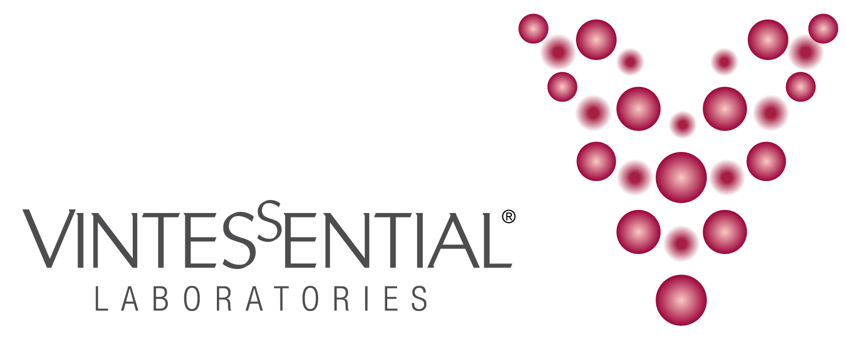

ACETIC ACID DETERMINATION

 |  | Blank Absorbance Values
Date: |  | A1 | A2 | A3 | AN
 |  |  |  |  | #DIV/0!
 |  |  | .
Sample Absorbance Values
Sample ID | Dilution Factor | A1 | A2 | A3 | Acetic Acid Conc (g/L)
 | 1 |  |  |  | #DIV/0!
 | 1 |  |  |  | #DIV/0!
 | 1 |  |  |  | #DIV/0!
 | 1 |  |  |  | #DIV/0!
 | 1 |  |  |  | #DIV/0!
 | 1 |  |  |  | #DIV/0!
 | 1 |  |  |  | #DIV/0!
 | 1 |  |  |  | #DIV/0!
 | 1 |  |  |  | #DIV/0!
 | 1 |  |  |  | #DIV/0!
 | 1 |  |  |  | #DIV/0!
 | 1 |  |  |  | #DIV/0!
 | 1 |  |  |  | #DIV/0!
 | 1 |  |  |  | #DIV/0!
 | 1 |  |  |  | #DIV/0!
 | 1 |  |  |  | #DIV/0!
 | 1 |  |  |  | #DIV/0!
 | 1 |  |  |  | #DIV/0!
 | 1 |  |  |  | #DIV/0!
 | 1 |  |  |  | #DIV/0!
 | 1 |  |  |  | #DIV/0!
 | 1 |  |  |  | #DIV/0!
 | 1 |  |  |  | #DIV/0!
 | 1 |  |  |  | #DIV/0!
 | 1 |  |  |  | #DIV/0!
 | 1 |  |  |  | #DIV/0!
 | 1 |  |  |  | #DIV/0!
 | 1 |  |  |  | #DIV/0!
 | 1 |  |  |  | #DIV/0!
 | 1 |  |  |  | #DIV/0!
 | 1 |  |  |  | #DIV/0!

